Table of Contents
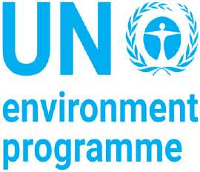

UNSD
United Nations Statistics Division (UNSD) and United Nations Environment Programme
QUESTIONNAIRE 2022 ON ENVIRONMENT STATISTICS

Section: WATER

TABLE OF CONTENTS

Guidance | Introduction, Steps to Follow, Description of Tables and Conversion Table

Definitions | List of Definitions

Table W1 | Renewable Freshwater Resources | W1

Table W2 | Freshwater Abstraction and Use | W3

Table W3 | Water Supply Industry (ISIC 36) | W2

Table W4 | Wastewater Generation and Treatment | W5

Table W5 | Population Connected to Wastewater Treatment | W4

Table W6 | Supplementary Information Sheet

